Dashboard
TITANIC WRECKAGE DASHBOARD
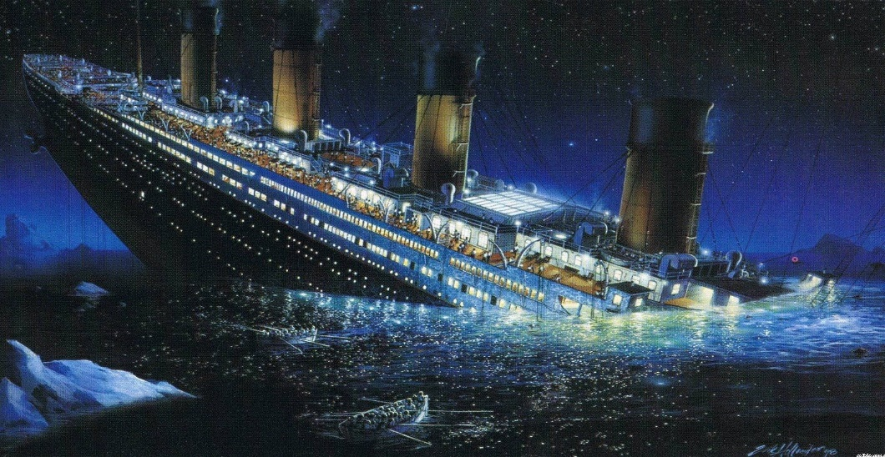
418
Total Passengers
 | Total
1 | 50
2 | 30
3 | 72
1 | 57
2 | 63
3 | 146
Total Passengers by Sex & Class
 | Total
Youth | 275
Adult | 68
Teenager | 61
Elder | 14
Total Passengers by Age Group
 | Total
S | 270
C | 102
Q | 46
Total Passengers by Embarkation
512
Maximum Fare

14871
Sum of Fare

0
Minimum Fare
36
Average Fare

 | Total
6 | 1
5 | 1
4 | 2
9 | 2
3 | 3
2 | 33
1 | 52
0 | 324
Survived! | 152
Died | 266
 | Total
5 | 1
8 | 2
3 | 4
4 | 4
2 | 14
1 | 110
0 | 283
Total Passengers with Sibling
Total Passengers with Parent/Child
Total Survivor and Total Death
 | Total
1 | 50
2 | 30
3 | 72
Total Survivor by Class
 | Total
Youth | 94
Teenager | 28
Adult | 23
Elder | 7
Total Survivor by Age Group

 | Total
S | 88
C | 40
Q | 24
 | Average of Survived | Conv.%
female | 1 | 32.89%
male | 0 | 0.00%
female | 1 | 19.74%
male | 0 | 0.00%
female | 1 | 47.37%
male | 0 | 0.00%
Ratio of Survivor by Sex and Class
 | Average of Survived by Sex & Age Group | Conv.%
Adult | 1 | 15.13%
Elder | 1 | 4.61%
Teenager | 1 | 18.42%
Youth | 1 | 61.84%
Adult | 0 | 0.00%
Elder | 0 | 0.00%
Teenager | 0 | 0.00%
Youth | 0 | 0.00%
Ratio of Survivor by Sex & Age Group
Total Survivor by Embarkation

